Foglio1
 |  | Solution Group |  | SN from 03D449
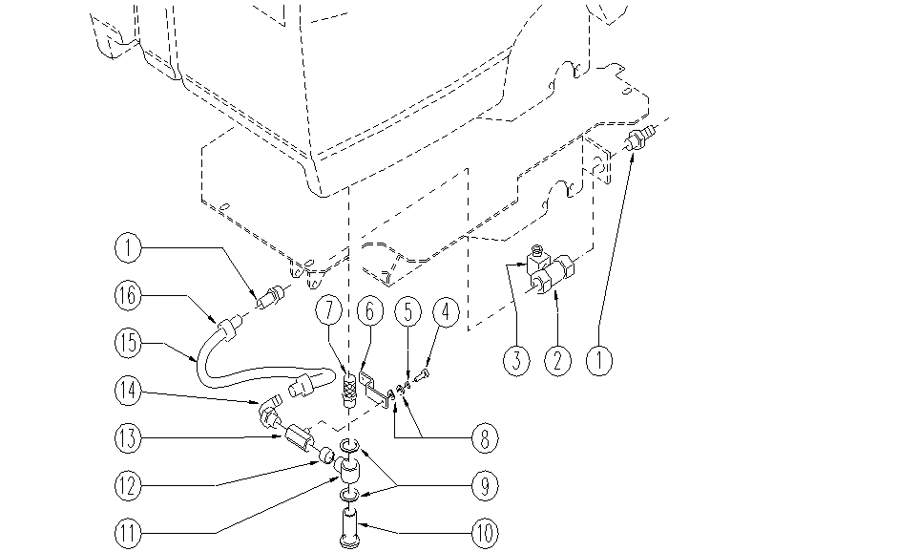

ITEM | SKU | DESCRIPTION | QTY
1 | E86779 | Union / connector | 2
2 | E87816 | Electrovalve Foreman 28 | 1
3 | E89527 | connector FS28/32 | 1
4 | E89117 | Screw | 1
5 | E89118 | Washer | 1
6 | E88046 | Lever Foreman 28 | 1
7 | E86369 | filter | 1
8 | E86879 | Washer | 2
9 | E87815 | Washer | 2
10 | SL18257-L | SCREW | 1
11 | E87828 | Articulation | 1
12 | E86745 | Bushing | 1
13 | E87936 | Solution Control Valve | 1
14 | E86390 | union / connector FS28/32 | 1
15 | E89525 | solution hose FS28/32 | 1
16 | E86546 | clamp | 1

